Project Dashboard
Project Performance Dashboard

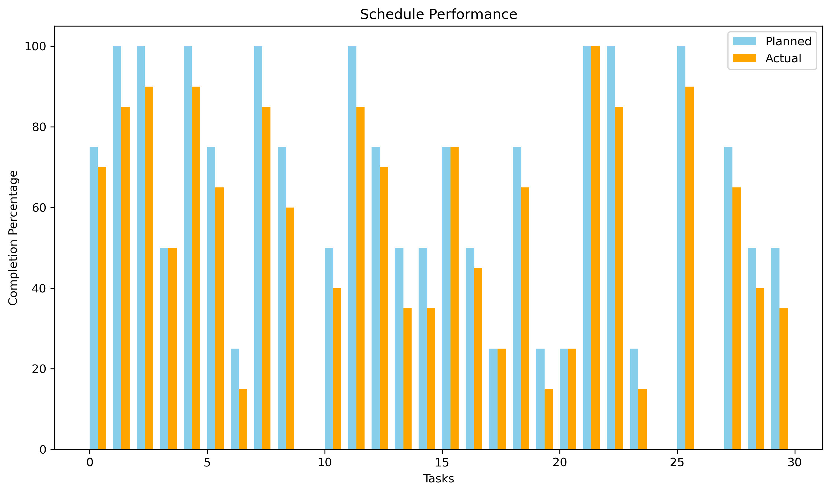
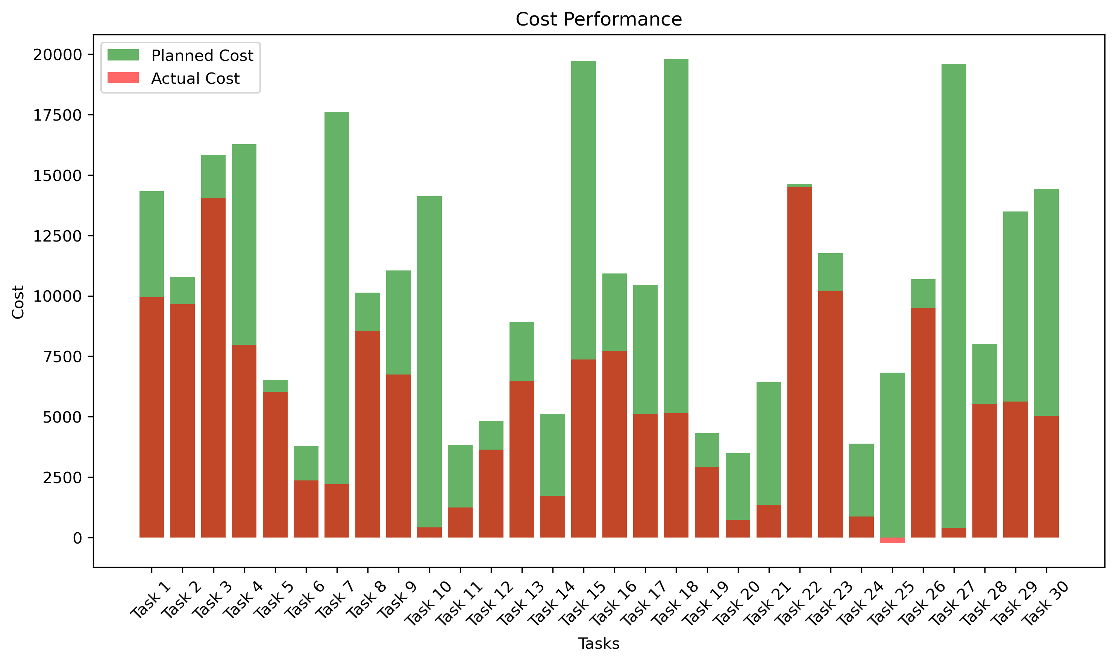

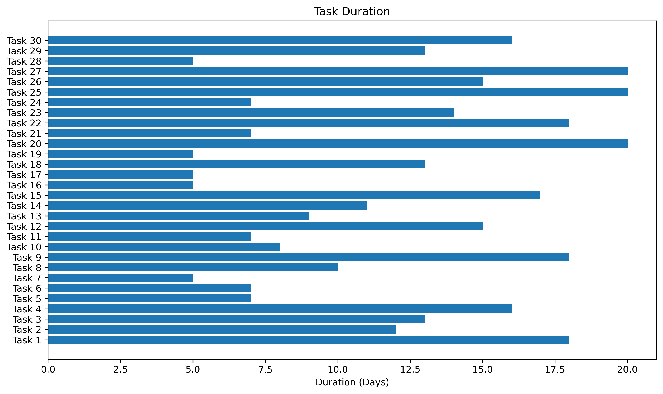
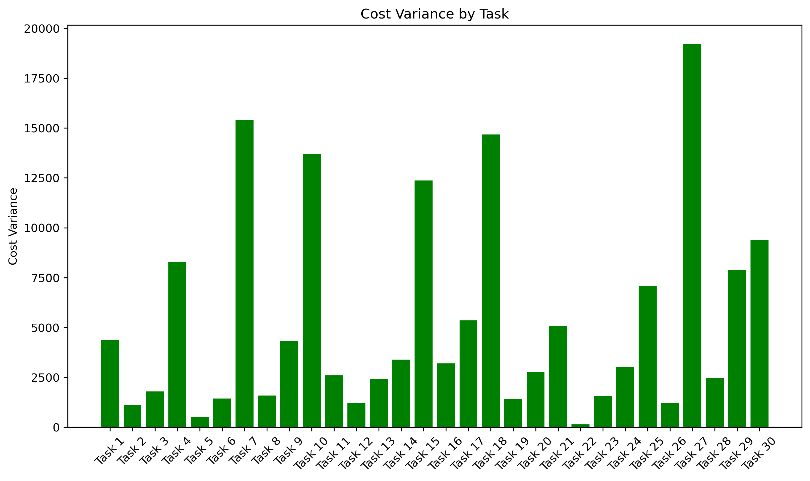

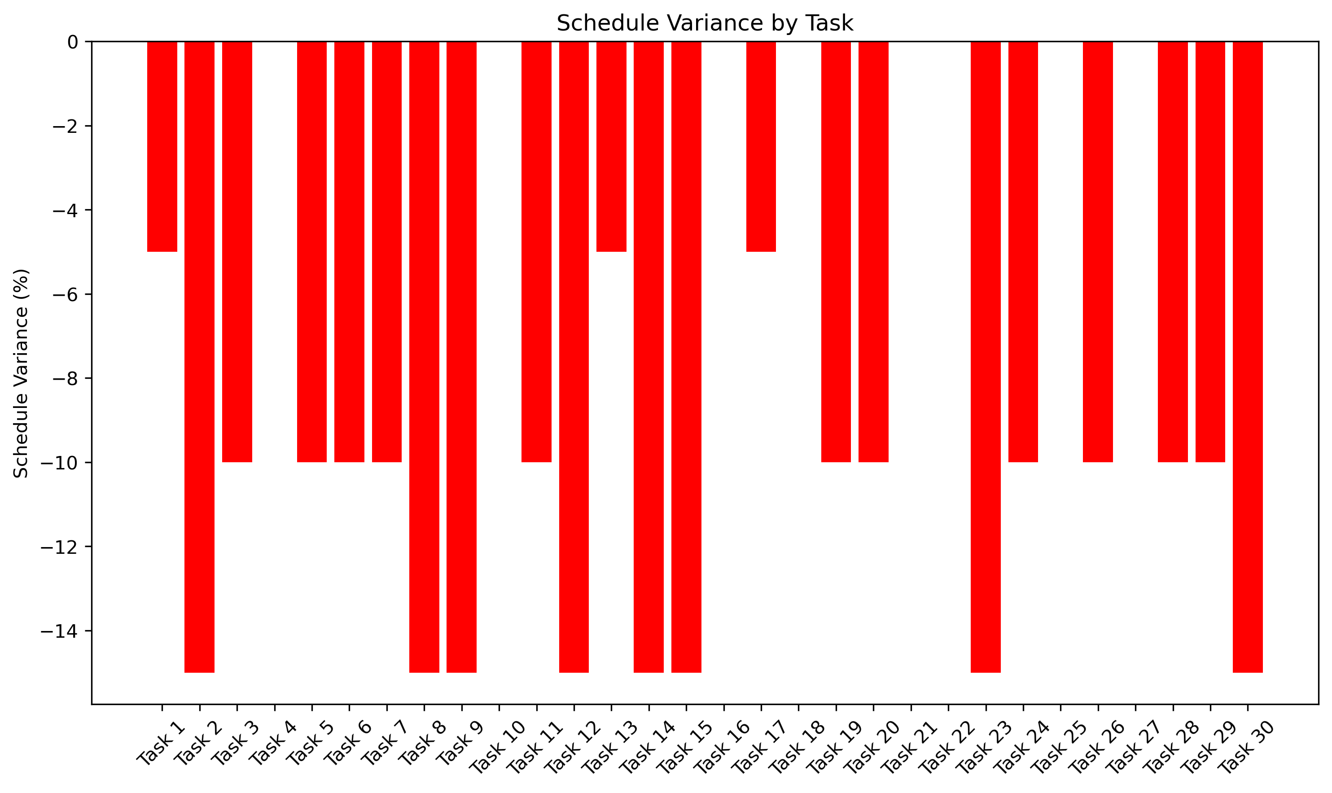
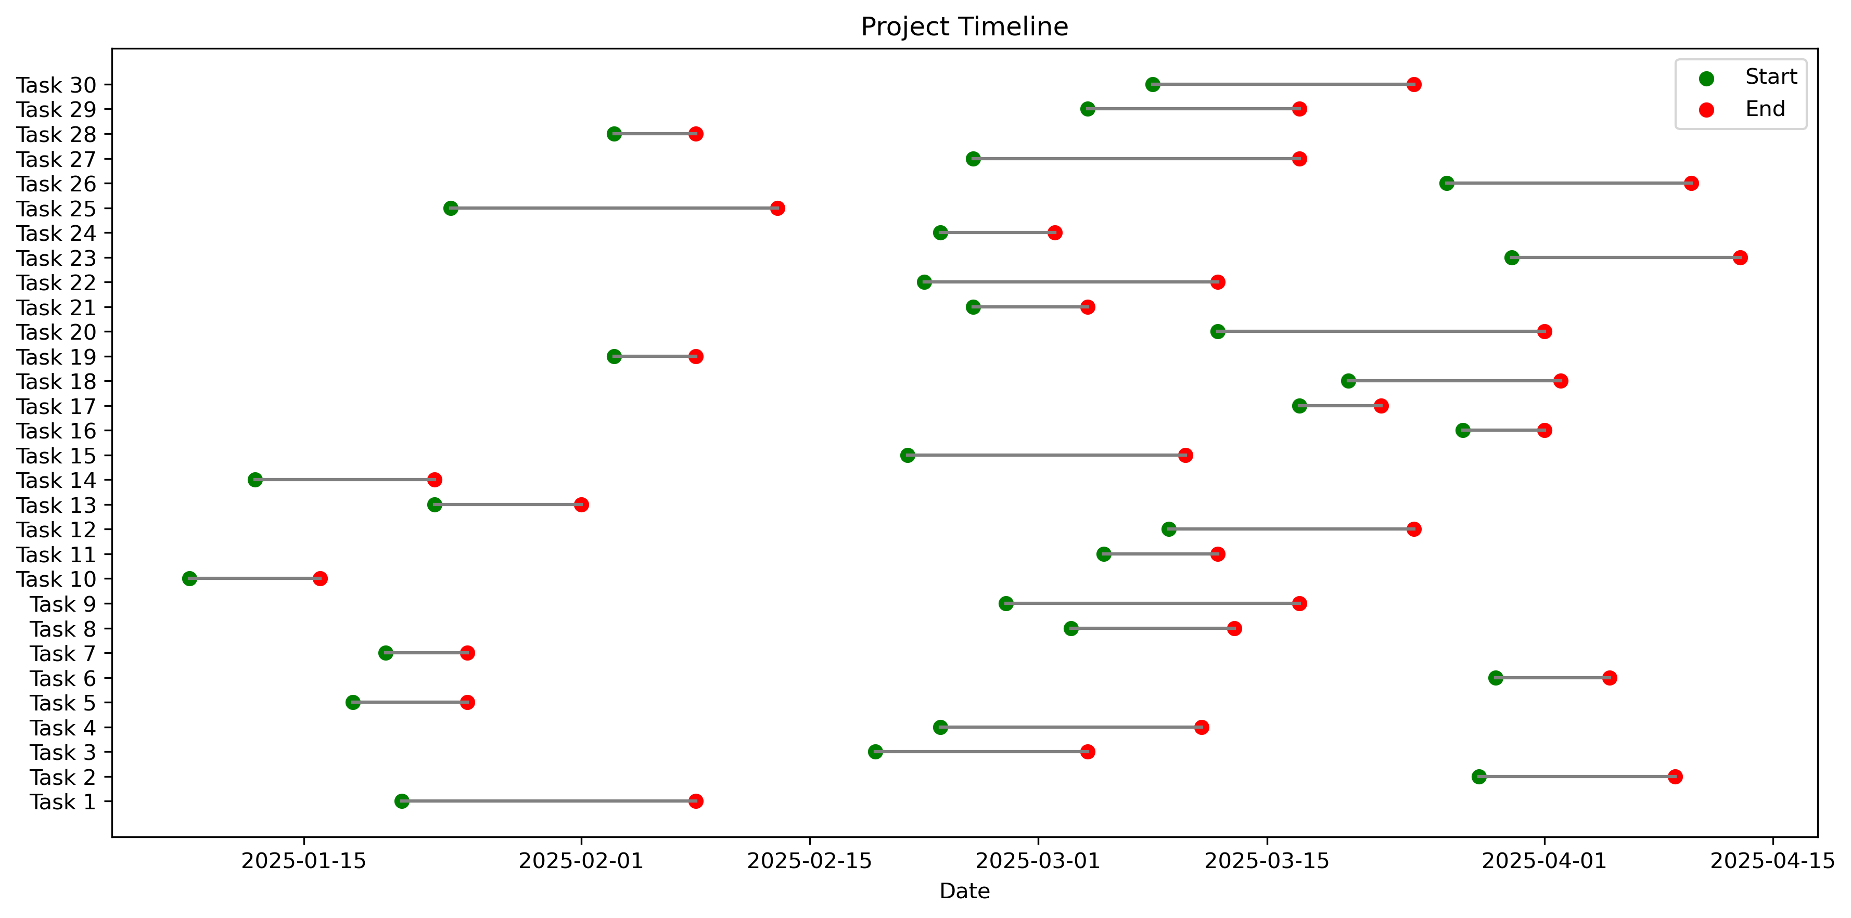

 | Project Summary Statistics
 | Average Schedule Variance: | -8.17%
 | Average Cost Variance: | $5296.35
 | Total Planned Cost: | $321642.00
 | Total Actual Cost: | $162751.50
 | Average Task Duration: | 11.9 days

